Wide shape
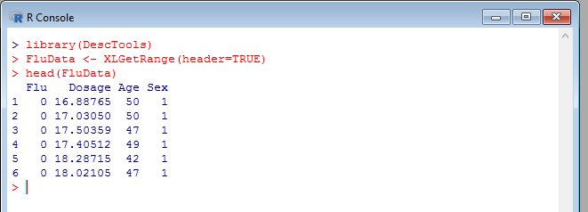

Long shape
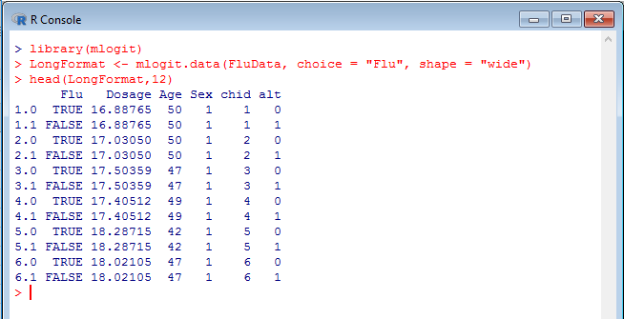

Using mlogit
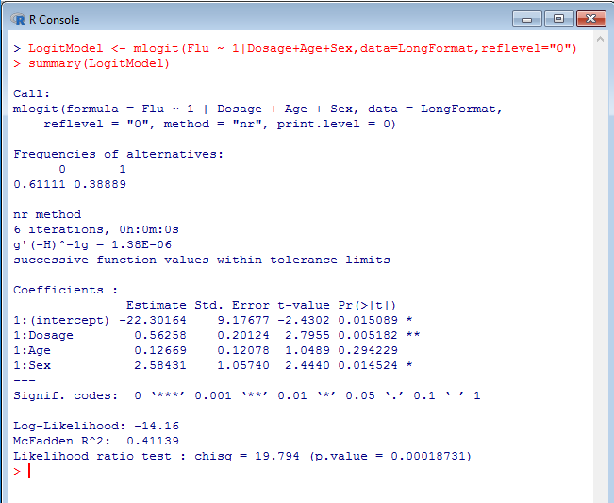
 | Coefficients
Intercept | Dosage | Age | Sex |  |  | Sum Log Likelihood: | -14.160149179
-22.301642354 | 0.56257709124 | 0.12668569952 | 2.5843070709

Flu | Dosage | Age | Sex | Logit | Odds | Predicted probability that person gets the flu | Probability of actual outcome | Log Likelihood
0 | 16.9 | 50 | 1 | -3.8824434333 | 0.02060 | 0.0202 | 0.9798 | -0.0204
0 | 17.0 | 50 | 1 | -3.8020798515 | 0.02232 | 0.0218 | 0.9782 | -0.0221
0 | 17.5 | 47 | 1 | -3.9159895326 | 0.01992 | 0.0195 | 0.9805 | -0.0197
0 | 17.4 | 49 | 1 | -3.7180161581 | 0.02428 | 0.0237 | 0.9763 | -0.0240
0 | 18.3 | 42 | 1 | -4.1086028278 | 0.01643 | 0.0162 | 0.9838 | -0.0163
0 | 18.0 | 47 | 1 | -3.6248765579 | 0.02665 | 0.0260 | 0.9740 | -0.0263
0 | 17.9 | 49 | 1 | -3.4608891426 | 0.03140 | 0.0304 | 0.9696 | -0.0309
0 | 17.5 | 55 | 1 | -2.8937568799 | 0.05537 | 0.0525 | 0.9475 | -0.0539
0 | 18.0 | 51 | 1 | -3.1092955881 | 0.04463 | 0.0427 | 0.9573 | -0.0437
0 | 14.2 | 52 | 2 | -2.574679817 | 0.07618 | 0.0708 | 0.9292 | -0.0734
0 | 18.2 | 52 | 1 | -2.9139090489 | 0.05426 | 0.0515 | 0.9485 | -0.0528
0 | 18.9 | 55 | 1 | -2.1248359431 | 0.11945 | 0.1067 | 0.8933 | -0.1128
1 | 15.7 | 49 | 2 | -2.0739265475 | 0.12569 | 0.1117 | 0.1117 | -2.1923
0 | 20.1 | 54 | 1 | -1.5718935744 | 0.20765 | 0.1719 | 0.8281 | -0.1887
1 | 20.0 | 55 | 1 | -1.4994214022 | 0.22326 | 0.1825 | 0.1825 | -1.7009
0 | 20.2 | 53 | 1 | -1.6196735349 | 0.19796 | 0.1652 | 0.8348 | -0.1806
0 | 18.2 | 44 | 2 | -1.3378028942 | 0.26242 | 0.2079 | 0.7921 | -0.2330
0 | 17.1 | 54 | 2 | -0.68788672886 | 0.50264 | 0.3345 | 0.6655 | -0.4072
0 | 21.4 | 53 | 1 | -0.94022769703 | 0.39054 | 0.2809 | 0.7191 | -0.3297
0 | 21.3 | 56 | 1 | -0.63588730644 | 0.52947 | 0.3462 | 0.6538 | -0.4249
1 | 17.9 | 57 | 2 | 0.166880416 | 1.18161 | 0.5416 | 0.5416 | -0.6132
0 | 19.2 | 51 | 2 | 0.11099538358 | 1.11739 | 0.5277 | 0.4723 | -0.7502
0 | 19.3 | 53 | 2 | 0.43179200992 | 1.54001 | 0.6063 | 0.3937 | -0.9322
1 | 23.5 | 51 | 1 | -0.013475387836 | 0.98661 | 0.4966 | 0.4966 | -0.6999
1 | 19.5 | 55 | 2 | 0.79969518021 | 2.22486 | 0.6899 | 0.6899 | -0.3712
1 | 23.2 | 59 | 1 | 0.79490995604 | 2.21424 | 0.6889 | 0.6889 | -0.3727
1 | 20.6 | 47 | 2 | 0.3967723519 | 1.48702 | 0.5979 | 0.5979 | -0.5143
1 | 21.3 | 54 | 2 | 1.6901281461 | 5.42018 | 0.8442 | 0.8442 | -0.1693
0 | 21.2 | 56 | 2 | 1.8661427641 | 6.46332 | 0.8660 | 0.1340 | -2.0100
1 | 21.8 | 51 | 2 | 1.6109333457 | 5.00748 | 0.8335 | 0.8335 | -0.1821
1 | 21.7 | 58 | 2 | 2.4371416529 | 11.44029 | 0.9196 | 0.9196 | -0.0838
1 | 23.5 | 53 | 2 | 2.8284854952 | 16.91982 | 0.9442 | 0.9442 | -0.0574
0 | 25.1 | 46 | 1 | 0.20730085243 | 1.23035 | 0.5516 | 0.4484 | -0.8022
1 | 26.4 | 41 | 2 | 2.9372141467 | 18.86322 | 0.9497 | 0.9497 | -0.0517
1 | 25.8 | 48 | 1 | 0.8707816408 | 2.38878 | 0.7049 | 0.7049 | -0.3497
1 | 26.2 | 43 | 2 | 3.042432276 | 20.95615 | 0.9545 | 0.9545 | -0.0466

